Tearsheet
Company Snapshot

 | Ticker: | VOLVB SS |  | Currency | Local | Consolidation Basis | Consol
 | #NAME?
 | Bloomberg Rating: IG4 Sector: Industrials Industry: Machinery Sub-Industry: Construction Machinery & Heavy FY End: 1200 YYYY EPS Due: 17/07/2026
 | Description |  |  |  |  |  |  | Business Segments (FY: 1200-yy) |  |  | Revenue | Revenue Supplementary Breakdown | Gross Profit | Depreciation/Amortization | Depreciation | R&D Expenses | Operating Income | Key Statistics |  |  | Actual and Estimate Data |  |  |  | Holdings By:
 | Aktiebolaget Volvo operates as a commercial vehicle manufacturer. The Company manufactures trucks, buses, engines, and construction equipment, as well as provides financial services. Volvo serves customers worldwide. |  |  |  |  |  |  | Trucks |  |  |  | 323,463.00 |  |  |  |  |  | 52-Week Range | 244.9 - 354 |  |  | LTM | 00/yyyy | 00/yyyy | Holder Name | Portfolio Name | Source | Amt Held | % Out | Latest Chg | File Dt | Inst Type | Country | Metro Area
 |  |  |  |  |  |  |  | Construction Equipment |  |  |  | 81,641.00 |  |  |  |  |  | Avg Daily Vol (3 Mo) | 3,304,109 |  | Revenue | 468,156.00 | 491,731.40 | 528,276.05 | Blackrock Inc | n/a | EXCH | 99,487,330.00 | 6.25 | 35,815,470.00 | 2026-04-10 | Investment Advisor | United States | New York City/Southern CT/Northern NJ
 |  |  |  |  |  |  |  | Financial Services |  |  |  | 26,469.00 |  | 4,913.00 | 4,845.00 |  | 3,869.00 | Market Value | 669,659.8 |  | % change y/y |  | 2.6% | 7.4% | Swedbank AB | n/a | ULT-AGG | 89,332,148.00 | 5.61 | -4,437,989.00 | 2026-05-29 | Bank | Sweden | Stockholm
 |  |  |  |  |  |  |  | Buses |  |  |  | 25,072.00 |  |  |  |  |  | Current Enterprise Value (B) | 625,721.82 |  | EBITDA | 70,281.00 | 78,548.44 | 88,037.89 | Vanguard Group Inc/T | n/a | ULT-AGG | 74,211,253.00 | 4.66 | 470,819.00 | 2026-06-30 | Investment Advisor | United States | Philadelphia
 |  |  |  |  |  |  |  | Volvo Penta |  |  |  | 20,597.00 |  |  |  |  |  | Shares Outstanding (B) | 1,592.71 M |  | % Margin |  | 5.1% | 12.1% | Capital Group Cos In | n/a | ULT-AGG | 54,544,594.00 | 3.42 | -5,944,969.00 | 2026-05-31 | Investment Advisor | United States | Los Angeles/Pasadena
 |  |  |  |  |  |  |  | Group Functions & Other |  |  |  | 6,736.00 |  |  |  |  |  | Dividend Yield | 2.6% |  | EPS | 16.17 | 21.378 | 24.984 | Skandinaviska Enskil | n/a | ULT-AGG | 49,829,305.00 | 3.13 | 1,961,897.00 | 2026-05-31 | Bank | Sweden | Stockholm
 | Address: | Gropegardsgatan Gothenburg, 405 08 Sweden |  |  |  |  |  | Eliminations |  |  |  | (4,795.00) |  |  |  |  |  | Float % | 97.7% |  | % change y/y |  | 26.2% | 16.9% | Svenska Handelsbanke | n/a | ULT-AGG | 47,298,337.00 | 2.97 | -38,695.00 | 2026-07-01 | Bank | Norway | Oslo
 | Telephone: |  |  | 46-3166-0000 |  |  |  |  |  |  |  |  |  |  |  |  |  | Institutional % | 68.1% |  |  |  |  |  | JPMorgan Chase & Co | n/a | ULT-AGG | 46,669,043.00 | 2.93 | 881,098.00 | 2026-07-01 | Bank | United States | New York City/Southern CT/Northern NJ
 | Website |  |  | www.volvogroup.com |  |  |  |  |  |  |  |  |  |  |  |  |  | Analyst Coverage | 24 Analysts |  | EV/Sales | 1.2x | 1.2x | 1.1x | Nordea Bank Abp | n/a | ULT-AGG | 39,291,244.00 | 2.47 | 4,093,641.00 | 2026-05-29 | Investment Advisor | Finland | Helsinki
 | CEO: |  |  | Martin Lundstedt |  |  |  |  |  |  |  |  |  |  |  |  |  | Target Price | 353.64 |  | EV/EBITDA | 8.2x | 8.0x | 7.1x | AMF Tjanstepension A | Multiple Portfolios | Multi | 37,013,046.00 | 2.32 | -4,974,637.00 | 2026-06-30 | Pension Fund | Sweden | Stockholm
 | CFO: |  |  | - |  |  |  |  |  |  |  |  |  |  |  |  |  | LT Growth Rate | - |  | P/Sales | 1.4x | 1.4x | 1.3x | Kingdom of Sweden | n/a | ULT-AGG | 35,202,116.00 | 2.21 | 10,514,628.00 | 2026-03-31 | Government | Sweden | Stockholm
 | # Employees as of 31/03/2026: |  |  | 101,202 |  |  |  |  |  |  |  |  |  |  |  |  |  | Consensus Rating | 4.04 |  | P/Earnings | 20.4x | 15.4x | 13.2x | Industrivarden AB | n/a | SS-REG | 29,000,000.00 | 1.82 | - | 2026-03-31 | Holding Company | Sweden | Stockholm
 | Bloomberg Rating: |  |  | IG4 |  |  |  |  |  |  |  |  |  |  |  |  |  | Return on Equity | 17.0% |  | P/Book | 3.5x | 3.4x | 3.3x | FIL Ltd | n/a | ULT-AGG | 28,476,321.00 | 1.79 | -271,554.00 | 2026-07-01 | Investment Advisor | Bermuda | Unclassified
Measure 1 | Measure: |  |  |  |  | Price and Volume (1 Year) |  |  |  |  |  |  |  |  | Prices/Volume |  |  | Comparative Returns |  |  |  |  |  |  | FMR LLC | n/a | ULT-AGG | 21,005,078.00 | 1.32 | 5,978,936.00 | 2026-07-01 | Investment Advisor | United States | Boston
 | Volume |  | Price
Price_Vol_Chart_Date | 0 | 0 | 268.6
 | 1774074 | 1/1/2025 | 268.6
 | 2580692 | 1/2/2025 | 269.8
 | 1699576 | 1/3/2025 | 268.7
 | 1699576 | 1/4/2025 | 268.7
 | 1699576 | 1/5/2025 | 268.7
 | 1699576 | 1/6/2025 | 268.7
 | 4350974 | 1/7/2025 | 285.1
 | 2724772 | 1/8/2025 | 284.1
 | 2358340 | 1/9/2025 | 286.4
 | 3768237 | 1/10/2025 | 279.2
 | 3768237 | 1/11/2025 | 279.2
 | 3768237 | 1/12/2025 | 279.2
 | 2165680 | 1/13/2025 | 276.5
 | 2366370 | 1/14/2025 | 277.4
 | 2653085 | 1/15/2025 | 283.4
 | 3095218 | 1/16/2025 | 282.2
 | 3241224 | 1/17/2025 | 288
 | 3241224 | 1/18/2025 | 288
 | 3241224 | 1/19/2025 | 288
 | 2369867 | 1/20/2025 | 288.1
 | 2499060 | 1/21/2025 | 289.1
 | 3346385 | 1/22/2025 | 287.7
 | 1998155 | 1/23/2025 | 291
 | 2504079 | 1/24/2025 | 293.3
 | 2504079 | 1/25/2025 | 293.3
 | 2504079 | 1/26/2025 | 293.3
 | 2866350 | 1/27/2025 | 292
 | 3827934 | 1/28/2025 | 287.6
 | 10152646 | 1/29/2025 | 309.8
 | 4648783 | 1/30/2025 | 313.3
 | 3703729 | 1/31/2025 | 306.7
 | 3703729 | 2/1/2025 | 306.7
 | 3703729 | 2/2/2025 | 306.7
 | 4759811 | 2/3/2025 | 307.5
 | 2593941 | 2/4/2025 | 307.1
 | 2412954 | 2/5/2025 | 305.2
 | 2918686 | 2/6/2025 | 310
 | 1741338 | 2/7/2025 | 311.1
 | 1741338 | 2/8/2025 | 311.1
 | 1741338 | 2/9/2025 | 311.1
 | 2052174 | 2/10/2025 | 312.5
 | 2227582 | 2/11/2025 | 315.1
 | 2316269 | 2/12/2025 | 316.4
 | 5061550 | 2/13/2025 | 325.5
 | 3005937 | 2/14/2025 | 327.1
 | 3005937 | 2/15/2025 | 327.1
 | 3005937 | 2/16/2025 | 327.1
 | 3223352 | 2/17/2025 | 331.1
 | 4598951 | 2/18/2025 | 336
...
 |  | 2024 | 2025 | 2026 | 2027 |  |  |  |  |  |  |  |  |  | YTD Change |  | 11.29% | Period |  | Security/Index: |  | CSCO US Equity |  |  | UBS AG | n/a | ULT-AGG | 19,671,942.00 | 1.24 | 10,765,637.00 | 2026-06-30 | Investment Advisor | Switzerland | Zurich
 | #NAME? | #NAME? | CSCO US Equity
0 | -9.8425 | 1.2001 | 1.7938
7/3/2021 | -9.8425 | 1.2001 | 1.7938
7/4/2021 | -9.8425 | 1.2001 | 1.7938
7/5/2021 | -8.2458 | 1.6483 | 1.7938
7/6/2021 | -8.9458 | 1.1898 | 0.7291
7/7/2021 | -7.3928 | 2.8424 | 1.2615
7/8/2021 | -8.2458 | 1.245 | 1.2615
7/9/2021 | -7.2835 | 2.5532 | 2.1741
7/10/2021 | -7.2835 | 2.5532 | 2.1741
7/11/2021 | -7.2835 | 2.5532 | 2.1741
7/12/2021 | -7.0866 | 3.3577 | 1.2044
7/13/2021 | -6.5617 | 3.8643 | 1.3755
7/14/2021 | -6.4304 | 4.1805 | 2.8395
7/15/2021 | -7.1741 | 3.6566 | 2.0029
7/16/2021 | -8.5521 | 3.4052 | 2.098
7/17/2021 | -8.5521 | 3.4052 | 2.098
7/18/2021 | -8.5521 | 3.4052 | 2.098
7/19/2021 | -11.7892 | 1.1354 | 0.8812
7/20/2021 | -13.9895 | 1.8461 | 1.8699
7/21/2021 | -10.0394 | 3.2093 | 2.4402
7/22/2021 | -9.9519 | 4.0039 | 3.6951
7/23/2021 | -8.5739 | 5.4338 | 5.0069
7/24/2021 | -8.5739 | 5.4338 | 5.0069
7/25/2021 | -8.5739 | 5.4338 | 5.0069
7/26/2021 | -8.9676 | 5.5652 | 5.4633
7/27/2021 | -10.5862 | 5.0485 | 5.102
7/28/2021 | -10.8268 | 5.3102 | 4.1324
7/29/2021 | -10.6518 | 5.412 | 4.7027
7/30/2021 | -11.308 | 4.7797 | 5.2731
7/31/2021 | -11.308 | 4.7797 | 5.2731
8/1/2021 | -11.308 | 4.7797 | 5.2731
8/2/2021 | -10.8268 | 5.2999 | 5.4252
8/3/2021 | -11.4611 | 5.2329 | 6.9462
8/4/2021 | -10.7393 | 5.8059 | 5.8815
8/5/2021 | -11.4173 | 5.8313 | 6.0146
8/6/2021 | -11.4829 | 5.247 | 5.6914
8/7/2021 | -11.4829 | 5.247 | 5.6914
8/8/2021 | -11.4829 | 5.247 | 5.6914
8/9/2021 | -11.986 | 5.437 | 5.4633
8/10/2021 | -12.2047 | 5.8339 | 5.7294
8/11/2021 | -11.4392 | 6.1766 | 6.2047
8/12/2021 | -11.3736 | 6.3784 | 7.2124
8/13/2021 | -11.2423 | 6.4455 | 7.3645
8/14/2021 | -11.2423 | 6.4455 | 7.3645
8/15/2021 | -11.2423 | 6.4455 | 7.3645
8/16/2021 | -12.3141 | 4.9642 | 7.0033
8/17/2021 | -12.8696 | 5.4022 | 6.4899
8/18/2021 | -13.937 | 4.8681 | 4.8548
8/19/2021 | -16.3867 | 3.0515 | 8.8855
8/20/2021 | -15.5906 | 4.3871 | 10.6917
...
 | Q1 Mar | 23467.00 | 19096.00 | 16793.00 | 18900.67 |  |  |  |  |  |  |  |  |  | 6 Month Change |  | 22.87% |  |  |  |  |  |  |  | Alecta Tjanstepensio | n/a | SS-REG | 17,629,430.00 | 1.11 | -5,871,682.00 | 2026-03-31 | Pension Fund | Sweden | Stockholm
 | Q2 Jun | 26653.00 | 16561.00 | 18405.75 | 19943.67 |  |  |  |  |  |  |  |  |  | 3 Month Change |  | -6.2% |  |  |  |  |  |  |  | Norges Bank | Multiple Portfolios | MF-AGG | 17,384,786.00 | 1.09 | 3,228,820.00 | 2025-12-31 | Bank | Norway | Oslo
 | Q3 Sep | 20016.00 | 18178.00 | 18838.75 | 20054.00 |  |  |  |  |  |  |  |  |  | 1 Year Change |  | 14.5% |  |  |  |  |  |  |  | FOLKSAM OMSESIDIG LI | n/a | ULT-AGG | 16,688,655.00 | 1.05 | -168,380.00 | 2026-03-31 | Insurance Company | Sweden | Stockholm
 | Q4 Dec | 20301.00 | 18749.00 | 21192.25 | 21950.33 |  |  |  |  |  |  |  |  |  |  |  |  |  |  |  |  |  |  |  | Lansforsakringar AB | n/a | ULT-AGG | 14,867,598.00 | 0.93 | 240,216.00 | 2026-04-30 | Bank | Sweden | Stockholm
 | Year | 88521.00 | 70532.00 | 78548.44 | 88037.89 |  |  |  |  |  |  |  |  |  | Daily Volume |  | 361,525 |  |  |  |  |  |  |  | Storebrand ASA | n/a | ULT-AGG | 14,329,330.00 | 0.9 | -86,696.00 | 2026-07-01 | Insurance Company | Norway | Oslo
 | Cal Yr | 88266.00 | 74704.00 | 78548.44 | 88037.89 |  |  |  |  |  |  |  |  |  | Average Volume 30 Day |  | 3,247,701 |  |  |  |  |  |  |  | Avanza Fonder AB | Multiple Portfolios | MF-AGG | 14,281,417.00 | 0.9 | 121,811.00 | 2026-05-31 | Investment Advisor | Sweden | Stockholm
 | Revision |  |  |  |  |  |  |  |  |  |  |  |  |  | Average Volume 3 Month |  | 3,304,109 |  |  |  |  |  |  |  | Analyst Recommendations
 |  | 1 Week | 4 Weeks | 3 Months | 6 Months |  |  |  |  |  |  |  |  |  | Average Volume 6 Month |  | 3,466,387 |  |  |  |  |  |  |  | Firm Name | Analyst | Recommendation | Weighting | ∆ | Target Price | Date | Date | BARR | 1 Yr Rtn
 | Qtr End 06/26 | 0.0% | -2.1% | -0.7% | - |  |  |  |  |  |  |  |  |  |  |  |  |  |  |  |  |  |  |  | Citi | Klas Bergelind | buy | 5 | M | 358.00 | Not Provided | 2026-06-30 | 8 | 14.87
 | Qtr End 09/26 | 0.0% | 1.2% | 4.6% | - |  |  |  |  |  |  |  |  |  | Dividend Yld |  | - |  |  |  |  |  |  |  | Nordea Bank | Agnieszka Vilela | buy | 5 | M | 380.00 | Not Provided | 2026-06-30 | 7 | 15.26
 | FY End 12/26 | 0.0% | 0.9% | 1.0% | - |  |  |  |  |  |  |  |  |  | 52 Week Beta |  |  |  |  |  |  |  |  |  | Deutsche Bank | Nicolai Kempf | hold | 3 | M | 321.00 | 12 month | 2026-06-29 | 10 | 9.02
 | FY End 12/27 | 0.0% | 1.3% | 2.1% | - |  |  |  |  |  |  |  |  |  |  |  |  |  |  |  |  |  |  |  | Hedgeye Risk Management | Jay Van Sciver | watch list | 3 | M | 0.00 | Not Provided | 2026-06-29 | 14 | 0
 |  |  |  |  |  |  |  |  |  |  |  |  |  |  |  |  |  |  |  |  |  |  |  |  | Morgan Stanley | Shaqeal Kirunda | Equalwt/In-Line | 3 | M | 342.00 | 12 month | 2026-06-25 | 6 | 16.62
Measure 2 | Measure: |  |  |  |  | Performance |  | 2017 | 2018 | 2019 | 2020 | 2021 | 2022 | 2023 | 2024 | 2025 | 5 Yr Avg | Relative Comps | Price | Ret YTD % | Mkt Cap | PE (NTM) | Rev - 1 Yr Gr | EPS - 1 Yr Gr | Bernstein | Harry Martin | market perform | 3 | M | 320.00 | Not Provided | 2026-06-25 | 13 | 0.11
 |  | 2024 | 2025 | 2026 | 2027 | Price Change |  | 43.5% | -24.1% | 35.3% | 23.5% | 8.2% | -10.1% | 38.8% | 2.6% | 10.2% | 9.9% | Volvo AB | 329.30 | 15.78% | 669.66 B | 12.1x | -9.04% | -31.64% | BNP Paribas | Lewis Merrick | neutral | 3 | M | 314.00 | Not Provided | 2026-06-25 | -2147483648 | -2.4245362662E-14
 | Q1 Mar | 23467.00 | 19096.00 | 16793.00 | 18900.67 | OMX STOCKHOLM 30 INDEX |  | 3.9% | -10.7% | 25.8% | 5.8% | 29.1% | -15.6% | 17.3% | 3.6% | 16.1% | 10.1% | Traton SE | 33.50 | 12.67% | 16.72 B | 7.5x | -7.21% | -44.92% | UBS | Hemal Bhundia | buy | 5 | M | 395.00 | 12 month | 2026-06-24 | 3 | 28.08
 | Q2 Jun | 26653.00 | 16561.00 | 18405.75 | 19943.67 | Industry (INDU Index) |  | 25.1% | -5.6% | 22.3% | 7.2% | 18.7% | -8.8% | 13.7% | 12.9% | 13.0% | 9.9% | Daimler Truck Holding AG | 42.36 | 18.74% | 32.43 B | 12.0x | -9.25% | -33.20% | JP Morgan | Jose Asumendi | overweight | 5 | M | 360.00 | Not Provided | 2026-06-24 | -2147483648 | -2.4245362662E-14
 | Q3 Sep | 20016.00 | 18178.00 | 18838.75 | 20054.00 | Div Yield |  | 2.8% | 8.6% | 8.3% | 7.7% | 6.2% | 7.4% | 6.9% | 6.9% | 2.9% | 6.1% | Iveco Group NV | 13.95 | 5.22% | 3.78 B | 12.1x | -6.86% | -51.65% | SEB Bank | Fredrik Agardh | buy | 5 | M | 365.00 | Not Provided | 2026-06-18 | -2147483648 | -2.4245362662E-14
 | Q4 Dec | 20301.00 | 18749.00 | 21192.25 | 21950.33 | Financials |  | 12/17 Y | 12/18 Y | 12/19 Y | 12/20 Y | 12/21 Y | 12/22 Y | 12/23 Y | 12/24 Y | 12/25 Y | 5 Yr CAGR | SAF-Holland SE | 20.30 | 37.26% | 0.92 B | 8.8x | -7.59% | -34.12% | Svenska Handelsbanken | Hampus Engellau | buy | 5 | M | 380.00 | 12 month | 2026-06-17 | 3 | 28.08
 | Year | 88521.00 | 70532.00 | 78548.44 | 88037.89 | Sales |  | 332,738.0 | 390,834.0 | 431,980.0 | 338,446.0 | 372,216.0 | 473,479.0 | 552,764.0 | 526,816.0 | 479,183.0 | 7.2% | Accelleron Industries AG | 80.80 | 33.49% | 7.64 B | 33.6x | 23.53% | 37.02% | DNB Carnegie | Mattias Holmberg | sell | 1 | M | 280.00 | Not Provided | 2026-06-17 | 15 | -2.81
 | Cal Yr | 88266.00 | 74704.00 | 78548.44 | 88037.89 | EBITDA |  | 45,139.0 | 50,968.0 | 68,258.0 | 44,832.0 | 61,208.0 | 66,438.0 | 89,752.0 | 88,521.0 | 70,532.0 | 9.5% |  |  |  |  |  |  |  | Danske Bank | Bjorn Enarson | buy | 5 | M | 370.00 | 12 month | 2026-06-15 | 3 | 28.08
 | Revision |  |  |  |  | EBIT |  | 28,270.0 | 32,529.0 | 47,672.0 | 25,735.0 | 43,128.0 | 47,045.0 | 69,352.0 | 66,611.0 | 48,506.0 | 13.5% |  |  |  |  |  |  |  | RBC Capital | Nicholas Housden | sector perform | 3 | M | 360.00 | 12 month | 2026-06-11 | 2 | 29.21
 |  | 1 Week | 4 Weeks | 3 Months | 6 Months | Net Income |  | 20,484.0 | 24,897.0 | 35,861.0 | 19,318.0 | 32,787.0 | 32,722.0 | 49,825.0 | 50,389.0 | 34,456.0 | 12.3% |  |  |  |  |  |  |  | Oddo BHF | Anthony Dick | neutral | 3 | M | 300.00 | Not Provided | 2026-06-11 | 14 | 0
 | Qtr End 06/26 | 0.0% | -2.1% | -0.7% | - | EPS (Diluted) |  | 10.07 | 12.24 | 17.64 | 9.50 | 16.12 | 16.09 | 24.50 | 24.78 | 16.94 | 12.3% |  |  |  |  |  |  |  | Pareto Securities | Forbes Goldman | buy | 5 | U | 350.00 | 12 month | 2026-06-11 | 1 | 33.23
 | Qtr End 09/26 | 0.0% | 1.2% | 4.6% | - | Dividends per Share |  | 4.25 | 10.00 | 13.00 | 15.00 | 13.00 | 14.00 | 18.00 | 18.50 | 8.50 | -10.7% |  |  |  |  |  |  |  | Kepler Cheuvreux | Mats Liss | hold | 3 | M | 335.00 | Not Provided | 2026-06-11 | 4 | 17.44
 | FY End 12/26 | 0.0% | 0.9% | 1.0% | - | Shares for Fully Diluted EPS |  | 2,033.0 | 2,033.0 | 2,033.0 | 2,033.0 | 2,033.0 | 2,033.0 | 2,033.0 | 2,033.0 | 2,033.0 | 0.0% |  |  |  |  |  |  |  | ABG Sundal Collier | Karl Bokvist | buy | 5 | M | 370.00 | 12 month | 2026-06-10 | 11 | 5.48
 | FY End 12/27 | 0.0% | 1.3% | 2.1% | - | Book Value per Share |  | 52.10 | 60.69 | 68.17 | 71.45 | 69.36 | 80.02 | 87.43 | 95.43 | 87.73 | 4.2% |  |  |  |  |  |  |  | AlphaValue/Baader Europe | Adrien Brasey | reduce | 2 | M | 346.00 | 6 month | 2026-06-04 | 5 | 16.67
 |  |  |  |  |  | Cash & Near Cash |  | 36,092.0 | 46,933.0 | 61,460.0 | 85,205.0 | 62,126.0 | 83,886.0 | 83,326.0 | 85,171.0 | 73,362.0 | -2.9% |  |  |  |  |  |  |  | Goldman Sachs | Daniela Costa | buy | 5 | M | 395.00 | 12 month | 2026-05-26 | 9 | 14.75
 | Growth Rate (CAGR) Summary |  |  |  |  | Total Assets |  | 419,010.0 | 474,663.0 | 524,837.0 | 510,821.0 | 515,856.0 | 629,064.0 | 674,068.0 | 714,564.0 | 648,590.0 | 4.9% |  |  |  |  |  |  |  | Jefferies | Michael Aspinall | buy | 5 | M | 365.00 | Not Provided | 2026-05-22 | 3 | 28.08
 |  | 1Yr | 3Yr | 5Yr | 10Yr | Working Cap |  | 16,709.0 | 41,202.0 | 75,870.0 | 76,639.0 | 53,093.0 | 71,751.0 | 67,012.0 | 77,321.0 | 39,657.0 | -12.3% |  |  |  |  |  |  |  | SB1 Markets | Edvin Jabeskog | buy | 5 | M | 380.00 | Not Provided | 2026-04-27 | -2147483648 | -2.4245362662E-14
 | Sales | -9.0% | 0.4% | 7.2% | 4.4% | LT Debt |  | 73,904.0 | 87,210.0 | 101,616.0 | 94,750.0 | 102,260.0 | 134,391.0 | 143,826.0 | 156,400.0 | 136,417.0 | 7.6% |  |  |  |  |  |  |  | Sadif Investment Analytics | Team Coverage | buy | 5 | M | 381.86 | Not Provided | 2026-02-11 | -2147483648 | -2.4245362662E-14
 | EBIT | -27.2% | 1.0% | 13.5% | 7.5% | Cash Flow-Oper Activities |  | 37,600.0 | 31,187.0 | 39,047.0 | 30,610.0 | 33,647.0 | 33,245.0 | 26,675.0 | 46,444.0 | 45,596.0 | 8.3% |  |  |  |  |  |  |  | M Science Investment Research | Alex Prudhomme | no rating system | -2147483648 | M | 0.00 | Not Provided | 2025-09-23 | -2147483648 | -2.4245362662E-14
 | EBITDA | -20.3% | 2.0% | 9.5% | 5.8% | Capital Expenditures |  | 17,228.0 | 17,122.0 | 18,055.0 | 14,297.0 | 18,117.0 | 20,456.0 | 23,387.0 | 13,892.0 | 18,344.0 | 5.1% |  |  |  |  |  |  |  | Baptista Research | Ishan Majumdar | outperform | 5 | N | 317.10 | 12 month | 2025-06-14 | 3 | 28.08
 | Net Income | -31.6% | 1.7% | 12.3% | 8.6% | Free Cash Flow |  | 20,372.0 | 14,065.0 | 20,992.0 | 16,313.0 | 15,530.0 | 12,789.0 | 3,288.0 | 32,552.0 | 27,252.0 | 10.8% |  |  |  |  |  |  |  | Barclays | Erwann Dagorne | underweight | 1 | M | 280.00 | Not Provided | 2025-05-14 | 16 | -28.08
 | EPS (Diluted) | -31.6% | 1.7% | 12.3% | 8.6% | Ratios |  | 12/17 Y | 12/18 Y | 12/19 Y | 12/20 Y | 12/21 Y | 12/22 Y | 12/23 Y | 12/24 Y | 12/25 Y | 5 Yr Avg |  |  |  |  |  |  |  | ISS-EVA | Team Coverage | buy | 5 | M | 0.00 | Not Provided | 2024-04-19 | 3 | 28.08
 | Dividends | -54.1% | -15.3% | -10.7% | 11.0% | Gross Margin |  | 23.9% | 22.4% | 24.6% | 23.4% | 24.1% | 23.6% | 27.0% | 27.3% | 24.4% | 25.3%
 | BVPS | -8.1% | 3.1% | 4.2% | 7.8% | EBITDA Margin |  | 13.6% | 13.0% | 15.8% | 13.2% | 16.4% | 14.0% | 16.2% | 16.8% | 14.7% | 15.6%
 | Free Cash Flow | -16.3% | 28.7% | 10.8% | 12.0% | EBIT Margin |  | 8.5% | 8.3% | 11.0% | 7.6% | 11.6% | 9.9% | 12.5% | 12.6% | 10.1% | 11.4%
 | Valuation Summary |  |  |  |  | Profit Margin |  | 6.2% | 6.4% | 8.3% | 5.7% | 8.8% | 6.9% | 9.0% | 9.6% | 7.2% | 8.3%
 | Latest FQ |  | 5 Year Periodicity: |  |  | Return on Assets |  | 5.0 | 5.6 | 7.2 | 3.7 | 6.4 | 5.7 | 7.6 | 7.3 | 5.1 | 6.4
 |  | 31/12/2025 | High | Low | Avg | Return on Com Eqty |  | 20.3 | 21.7 | 27.4 | 13.6 | 22.9 | 21.5 | 29.3 | 27.1 | 18.5 | 23.9
 | P/E (LTM) | 17.5x | 19.4x | 10.7x | 13.9x | Asset Turnover |  | 0.8 | 0.9 | 0.9 | 0.7 | 0.7 | 0.8 | 0.8 | 0.8 | 0.7 | 0.8
 | P/E (NTM) | 14.2x | 14.5x | 10.6x | 12.3x | Assets/Equity |  | 3.9 | 3.8 | 3.7 | 3.4 | 3.6 | 3.8 | 3.7 | 3.6 | 3.6 | 3.7
 | PEG (NTM) | 0.7x | 5.9x | 0.6x | 1.8x | Net Inc per 1000 Employees |  | 205.9 | 236.7 | - | - | 342.1 | 320.3 | - | - | - | 331.2
 | P/Bk | 3.4x | 3.8x | 2.4x | 3.1x | Days Sales Out (DSO) |  | 98.8 | 91.7 | 91.1 | 111.5 | 101.8 | 100.2 | 101.3 | 115.1 | 120.3 | 107.7
 | P/CF | 13.2x | 19.9x | 11.5x | 14.0x | Acc Pay Turn Days (DPO) |  | 85.4 | 80.1 | 81.0 | 92.5 | 83.3 | 81.6 | 78.1 | 76.9 | 76.4 | 79.3
 | P/Sales | 1.3x | 1.4x | 0.8x | 1.1x | Current Ratio |  | 1.1 | 1.2 | 1.4 | 1.4 | 1.3 | 1.3 | 1.2 | 1.3 | 1.1 | 1.2
 | EV/EBITDA | 7.8x | 7.8x | 4.8x | 5.8x | Quick Ratio |  | 0.7 | 0.8 | 0.8 | 0.9 | 0.9 | 0.9 | 0.9 | 0.9 | 0.8 | 0.9
 | EV/Sales | 1.1x | 1.1x | 0.7x | 0.9x | Total Debts/Total Capital |  | 54.2 | 51.9 | 52.7 | 50.8 | 51.2 | 55.2 | 57.2 | 56.7 | 58.1 | 55.7
 | Div Yield | 2.9% | 7.4% | 2.6% | 5.5% | Total Debt/Total Equity |  | 118.4 | 108.0 | 111.3 | 103.1 | 105.1 | 123.3 | 133.4 | 131.2 | 138.4 | 126.3

Relative Value
Relative Valuation With BQL

 |  |  | Only Applied To The Last Table
Security | VOLVB SS |  | VOLVB SS's Mkt Cap |  | 669,659,823,460
Index | OMX |  | Market Cap Lower Threshold |  | 1,000,000,000
Sector | Industrials |  | Market Cap Upper Threshold |  | 10,000,000,000,000
As Of Date 1 | 2026-07-01 |  | Exclude Values Above Standard Dev of: |  | 3
As Of Date 2 | 2017-06-22 |  | Country ISO |  | SE
Currency | SEK

Show Query Syntax? |  | PE_RATIO | EV_TO_EBITDA | EV_TO_EBIT | EV_TO_SALES | PX_TO_BOOK_RATIO | Chart? | GICS_SECTOR_NAME=='Industrials' | CUR_MKT_CAP>1000000000 | CUR_MKT_CAP<10000000000000 | COUNTRY_ISO=='SE'

 |  | Security Data
2026-07-01 |  | 20.66 | 8.85 | 13.33 | 1.33 | 3.49 |  | TRUE | VOLVB SS YYYY-07-DD | 20.66 | 8.85 | 13.33 | 1.33 | 3.49
2017-06-22 |  | 19.04 | 10.51 | 18.75 | 1.33 | 3.01 |  | FALSE | VOLVB SS YYYY-06-DD | 19.04 | 10.51 | 18.75 | 1.33 | 3.01
Change Across Dates |  | 8% | -16% | -29% | 0% | 16%

 |  | Industrials Within OMX
2026-07-01 |  | 33.69 | 20.50 | 25.60 | 4.33 | 8.02 |  | TRUE | Industrials Within OMX YYYY-07-DD | 33.69 | 20.50 | 25.60 | 4.33 | 8.02
2017-06-22 |  | 20.44 | 14.24 | 18.83 | 2.51 | 4.19 |  | FALSE | Industrials Within OMX YYYY-06-DD | 20.44 | 14.24 | 18.83 | 2.51 | 4.19
Change Across Dates |  | 65% | 44% | 36% | 72% | 91%
VOLVB SS vs sector Date 1 |  | 61% | 43% | 52% | 31% | 44%
VOLVB SS vs sector Date 2 |  | 93% | 74% | 100% | 53% | 72%

 |  | OMX
2026-07-01 |  | 24.52 | 13.20 | 18.20 | 4.01 | 5.46 |  | TRUE | OMX YYYY-07-DD | 24.52 | 13.20 | 18.20 | 4.01 | 5.46
2017-06-22 |  | 18.99 | 9.64 | 13.13 | 2.28 | 3.53 |  | FALSE | OMX YYYY-06-DD | 18.99 | 9.64 | 13.13 | 2.28 | 3.53
Change Across Dates |  | 29% | 37% | 39% | 76% | 55%
VOLVB SS vs OMX Date 1 |  | 84% | 67% | 73% | 33% | 64%
VOLVB SS vs OMX Date 2 |  | 100% | 109% | 143% | 58% | 85%

 |  | All Secs In Industrials And SE In Mkt Cap Range And Metric Below Std Dev
2026-07-01 |  | #NAME? | #NAME? | #NAME? | #NAME? | #NAME? |  | FALSE | Same Sector And Country With Mkt Cap Filter and Std Dev Filter YYYY-07-DD | #NAME? | #NAME? | #NAME? | #NAME? | #NAME?
2017-06-22 |  | #NAME? | #NAME? | #NAME? | #NAME? | #NAME? |  | FALSE | Same Sector And Country With Mkt Cap Filter and Std Dev Filter YYYY-06-DD | #NAME? | #NAME? | #NAME? | #NAME? | #NAME?
Change Across Dates
VOLVB SS vs all securities Date 1
VOLVB SS vs all securities Date 2

 |  |  | #N/A Invalid Parameter: Unable to determine a data providing service for RR902(currency=toScalarPerInstrument(RR968(FILL=PREV).currency)).

Help
Company Snapshot

Use XSCF to view company's fundamental background information and detailed earnings data, compare the returns of a selected security to its benchmark index and industry group, perform a peer group analysis and analyze financial data for a specific company.

Left Side of Tearsheet

Use Tearsheet Tab, Left side to view Security's Business Segments; Key Statistics; Actual and Estimate Data Tables; Performance, Financial and Ratios data; Two Earnings Tables with more than 20 measures to choose from; Price and Volume data; and Growth and Valuation Summaries.

Description
Business Segments
Price / Volume Data

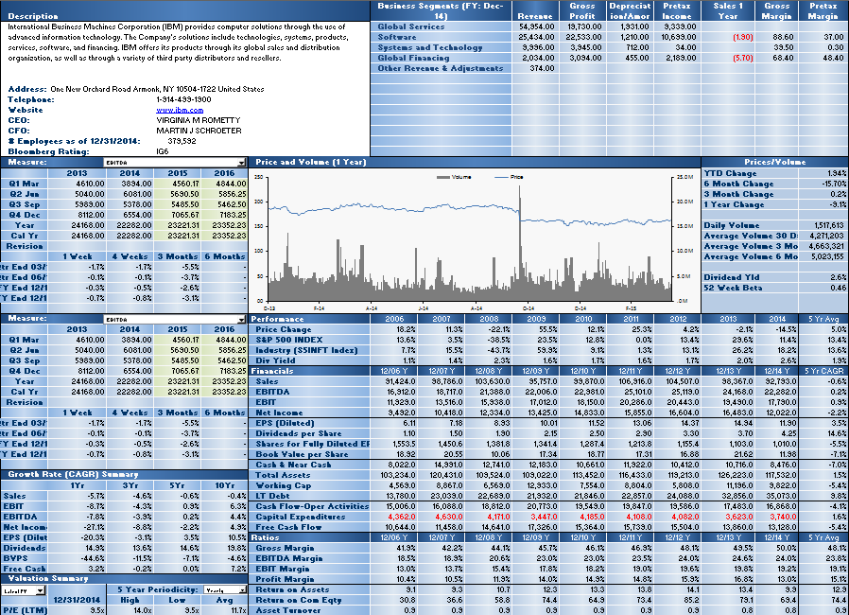

Earnings Tables
Growth and Valuation Summaries
Performance, Financials and Ratios

Right Side of Tearsheet

Use Tearsheet Tab, Right side to view Security's Description; Comparative Returns; Top 20 Holders by various Institution types; Analyst Recommendations; and List of the security's peers, as evaluated by a Bloomberg proprietary algorithm.

Comperative Returns
Estimate Data Tables
Holders

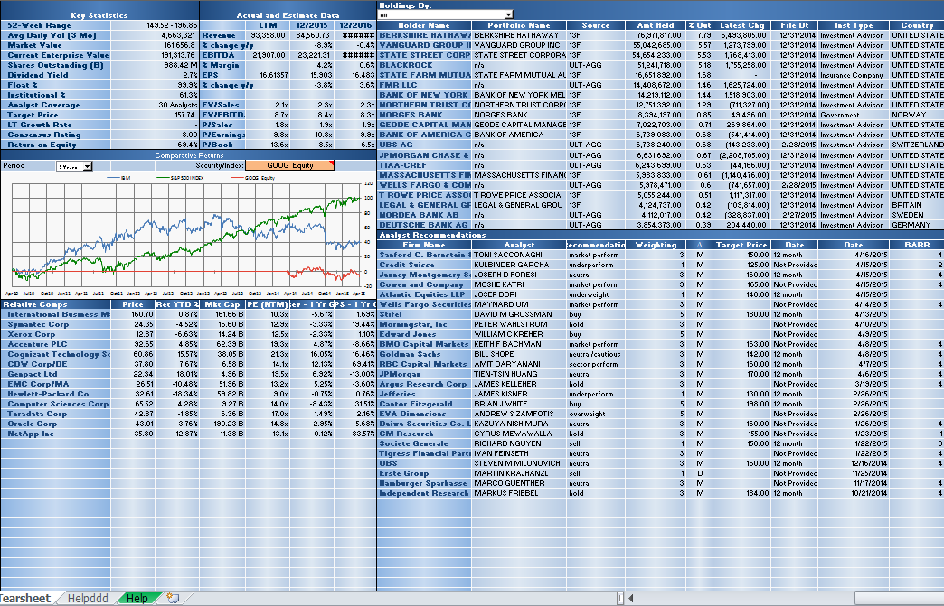

Relative Valuation (Bloomberg Peers)
Analyst Recommendation

Relative Value Sheet

See how your chosen security fairs versus a market cap weighted average of its own sector within its own index, the index as a whole, and all securities in the same sector and country excluding those outside the market cap thresholds or whose metric is a certain number of standard deviations away from the group.

Control for outliers in the table at the bottom of the screen by excluding any securities that do not meet the market cap criteria or whose fundamental value is greater than a set number of standard deviations from the group average
Enter your security and override the index or GICS sector if necessary

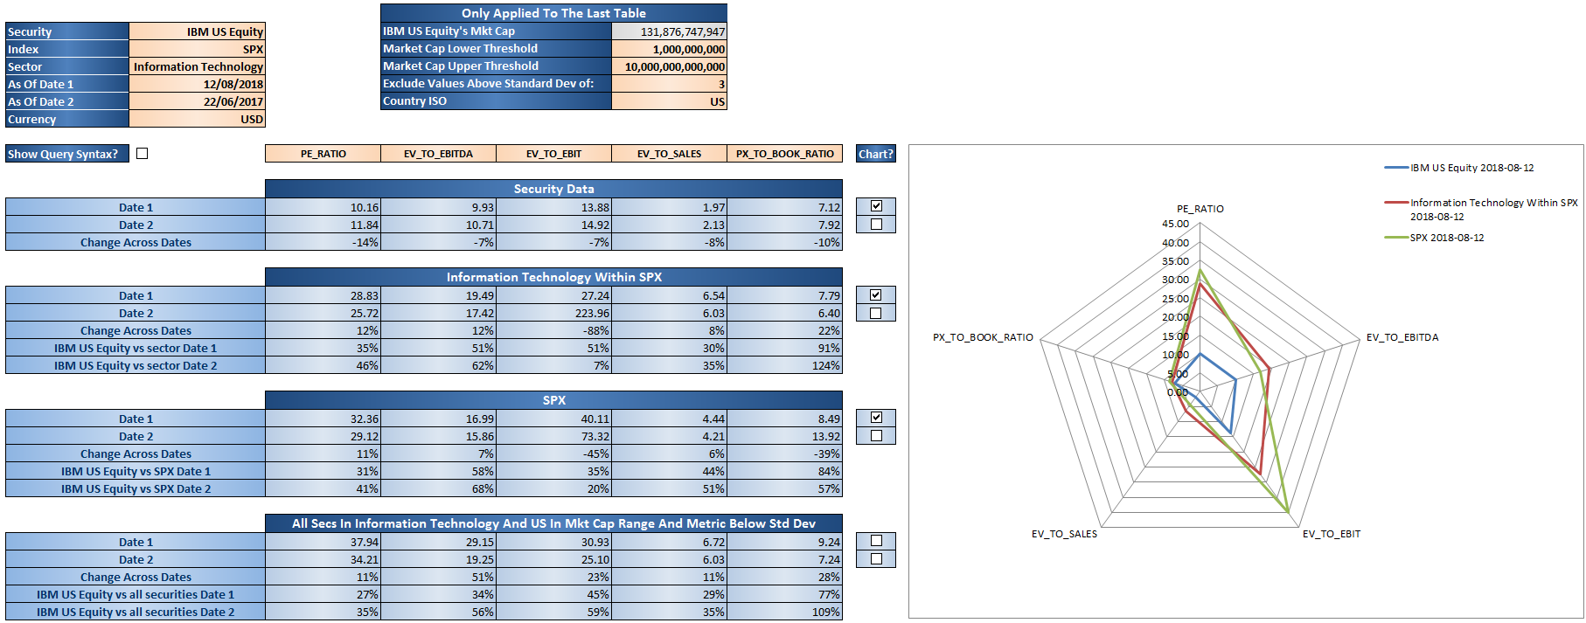
Enter any BQL fundamental field

Tick the check box to plot the data on the radar chart

Tick the check box to display the =BQL() formula syntax that is being used

